NewStateLOS
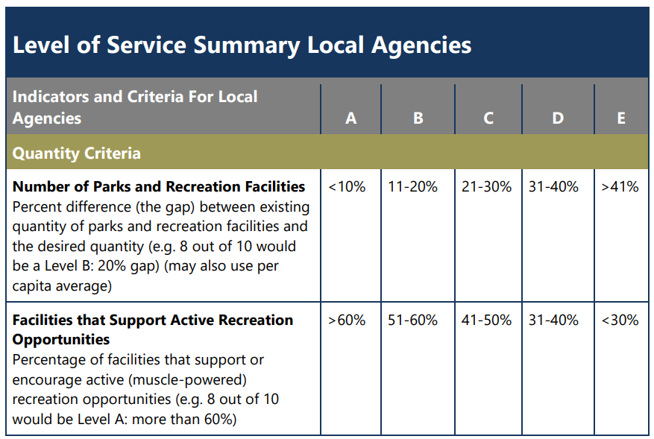
Level of Service Summary Local Agencies
Indicators and Criteria for Local Agencies
Quantity Criteria:
Number of Parks and Recreation Facilities | Desired Quantity/Per Capita Average | Percent Difference | Level of Service Rating
70 | 82 | 15% | B
Facilities that Support Active Recreation Opportunities | Facilities that Support Active Recreation Opportunities | Percent Difference | Level of Service Rating
60 | 70 | 86% | A
System Capacity - Basketball | System Demand | Percent Demand met by existing facilities | Level of Service Rating
300 | 400 | 75% | B
games/practices | games/practices
System Capacity - Pickleball | System Demand | Percent Demand met by existing facilities | Level of Service Rating
150 | 250 | 60% | C
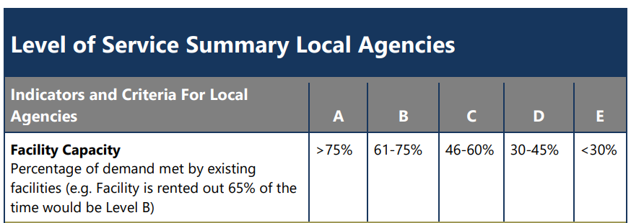
outdoor games/practices | outdoor games/practices
40 | 48 | 83% | A
indoor games/practices | indoor games/practices
System Capacity – Baseball | System Demand | Percent Demand met by existing facilities | Level of Service Rating
250 | 334 | 75% | B
games/practices | games/practices
System Capacity – Softball | System Demand | Percent Demand met by existing facilities | Level of Service Rating
125 | 225 | 56% | C
games/practices | games/practices
System Capacity - Soccer | System Demand | Percent Demand met by existing facilities | Level of Service Rating
375 | 400 | 94% | A
summer games/practices | summer games/practices
800 | 1134 | 71% | B
fall/winter/spring games/practices | fall/winter/spring games/practices
System Capacity - Swimming | System Demand | Percent Demand met by existing facilities | Level of Service Rating
50 | 300 | 17% | E
games/practices | games/practices

NOTE 1: this count includes all parks and recreation facilities within District boundaries, whether or not they are owned and/or operated by the District. Not counted are the four private facilities (Island Athletic Club, Useless Bay Golf & Country Club, Get a Grip Weight Room, and Curves Fitness Center) where only limited public access is allowed, the one closed facility (Holmes Harbor Golf Course), and the two facilities where no parks development has yet occurred (Hurt Property and road ends in Langley)
NOTE 2: NPRA Facility Standards for Parks and Recreation Districts in communities with populations < 20,000 people is the reference for this section and is found later in this Appendix. The list of missing facilities towards the Quantity criteria is detailed elsewhere in this section. Not counted at the time of the adoption of this plan are 3x ice rink, 1x cricket field, 1x field hockey field, 2x lacrosse fields, and 2x Overlay fields due to the lack of public interest from the Needs Assessment process and/or acceptable public/private options. These may factor into the Quality criteria calculation later in the plan period if public input changes measurably.
NOTE 3: Specific facility types chosen for capacity analysis from NPRA guidelines based on interest from District citizens expressed in Needs Assessment process
NOTE 4: No system exists per the level of service criteria, however, trail users can utilize isolated trails in Community Park and Trustland Trails properties.
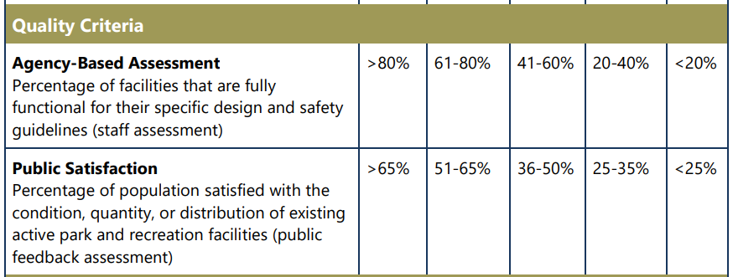
NOTE 5: Capacity analysis completed for facilities identified as "High" on the scale of community needs

Quality Criteria
Number of Parks and Recreation Facilities | Facilities fully functional for specific design and safety guidelines | Quality Percent | Level of Service Rating | Needs assessment target?
48 | 40.5 | 84% | A
Number of Parks and Recreation Facilities | Facilities that meet public satisfaction requirements | Satisfaction Percent | Level of Service Rating
48 | 40 | 83% | A | Yes
NOTE 4: see the table titled “Data for Level of Service Criteria analysis” below
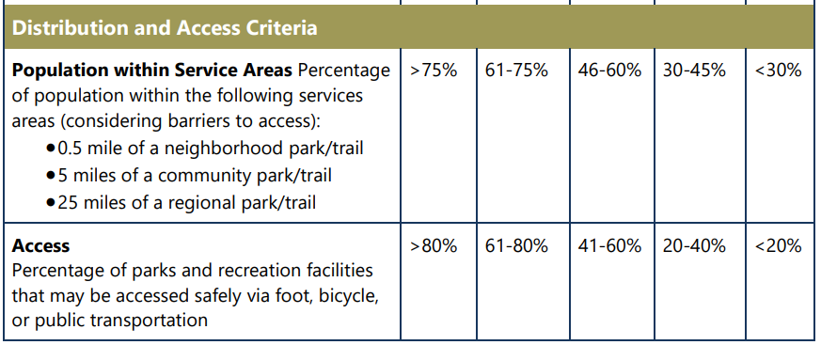
Distribution & Access Criteria:
Number of District citizens within the following service areas: | Total District Population | Percent within Service Areas | Level of Service Rating
· 0.5 mile of a neighborhood park/trail
· 5 miles of a community park/trail
· 25 miles of a regional park/trail
10000 | 15,336 | 65% | B
Number of Parks and Recreation Facilities | Facilities that may be accessed safely via foot, bicycle, or public transportation | Access Percent | Level of Service Rating
49 | 48 | 98% | A
NOTE 5: for the purposes of this analysis, South Whidbey State Park and trail system are considered a “regional park/trail”

Calculation data
Park site | Number (count) of facilities | Fully Functional for Design, Safety | Fully Functional for Customer Satisfaction | Accessed Safely via Foot, Bicycle, Public Transport
Community Park | 1 (note 7) | .8 (note 11) | 1 | 1
Headquarters Programming Space | 1 | 0 | 0 | 0
Sports Complex | 1 | 1 | 1 | 1
Trustland Trails | 1 | 0.5 (note 8) | 0.5 (note 10) | 1
Deer Lake | 1 | 0.5 (note 9) | 0.5 (note 10) | 1
Lone Lake | 1 | 0.5 (note 9) | 0.5 (note 10) | 1
Goss Lake | 1 | 0.5 (note 9) | 0.5 (note 10) | 1
SW State Park | 1 | 1 | 1 | 1
Possession State Park | 1 | 1 | 1 | 1
Freeland Hall | 1 | 1 | 1 | 1
Freeland Park | 1 | 1 | 1 | 1
Hurt Property | 0 | 0 | 0 | 0
Baby Island Heights #1 | 1 | 0.5 (note 9) | 0.5 (note 10) | 0.5 (note 10)
Baby Island Heights #2 | 1 | 0.5 (note 9) | 0.5 (note 10) | 0.5 (note 10)
Mutiny Bay | 1 | 1 | 1 | 1
Double Bluff | 1 | 1 | 0.5 (note 10) | 1
Marguerite Brons Park | 1 | 1 | 1 | 1
Dave Mackie Park | 1 | 0.5 (note 9) | 0.5 (note 10) | 1
Dan Porter Park | 1 | 0.5 (note 9) | 0.5 (note 10) | 1
Saratoga Woods | 1 | 1 | 1 | 1
Coles Road | 1 | 1 | 1 | 1
Langley Well Site | 1 | 1 | 1 | 1
Putney Woods | 1 | 1 | 1 | 1
Fairgrounds | 1 | 1 | 1 | 1
Bush Point | 1 | 1 | 1 | 1
Possession Beach | 1 | 1 | 1 | 1
Dorothy Cleveland Trail | 1 | 1 | 1 | 1
Clinton Beach | 1 | 1 | 1 | 1
Langley Harbor | 1 | 1 | 1 | 1
Phil Simon Park | 1 | 1 | 1 | 1
Primary School | 1 | 0.5 (note 9) | 0.5 (note 10) | 1
Elementary School | 1 | 0.5 (note 9) | 0.5 (note 10) | 1
Middle School | 1 | 0.5 (note 9) | 0.5 (note 10) | 1
High School | 1 | 0.5 (note 9) | 0.5 (note 10) | 1
Bayview School | 1 | 0.5 (note 9) | 0.5 (note 10) | 1
Outdoor Classroom | 1 | 1 | 1 | 1
Curves Fitness | 1 | 1 | 1 | 1
Cascade Walkway | 1 | 1 | 1 | 1
Generation Park | 1 | 1 | 1 | 1
Langley Park | 1 | 1 | 1 | 1
Anderson/Bangstrom | 1 | 1 | 1 | 1
Boy & Dog Park | 1 | 1 | 1 | 1
Seawall Park | 1 | 1 | 1 | 1
Cedars Park | 1 | 1 | 1 | 1
Hladkey Park | 1 | 1 | 1 | 1
DeBruyn/Park Road Ends | 0 | 0 | 0 | 0
Holmes Harbor | 0 | 0 | 0 | 0
Island Greens | 1 | 0.5 (note 9) | 0.5 (note 10) | 1
Useless Bay CC | 0 | 0 | 0 | 0
Island Athletic Club | 0 | 0 | 0 | 0
Get a Grip Weight Room | 0 | 0 | 0 | 0
Hammons Preserve | 1 | 1 | 1 | 1
Whidbey Institute (Conservation Easement) | 1 | 1 | 1 | 1
Trillium Forest | 1 | 1 | 1 | 1
Freeland Wetlands | 1 | 0.5 (note 8) | 0.5 (note 10) | 1
Totals | 49 | 41.5 | 41 | 48

NOTE 7: a score of “1” means the facility is counted towards the total described in the column heading
NOTE 8: a score of less than 1 means the District staff considers the facility partially functional for design, safety based on the partial completion of facilities at the site. The actual rating given is a best estimate given the level of completion of facilities at the site.
NOTE 9: a score of less than 1 means the District staff considers the facility partially functional for design, safety based on the material condition and/or the historical design/upkeep of the site. The actual rating given is a best estimate given the range of facilities and conditions at the site.
NOTE 10: a score of less than 1 means the District staff estimates a facility is considered satisfactory to a portion of District residents. The actual rating given is a best estimate given the diverse range of uses and users of this facility.
NOTE 11: Campground site not fully functional

